KPI
 |  |  |  |  |  |  |  |  |  |  |  |  |  |  |  |  | Row Labels | Sum of Amount |  |  |  |  |  |  |  |  | Row Labels | Sum of Amount |  |  | Row Labels | Sum of Amount
income | Expenses | Savings |  | Rate | Row Labels | Sum of Amount | Row Labels | Expenses |  |  | Row Labels | Savings | Row Labels | Sum of Amount | Row Labels | Sum of Amount | Jan | 7269.22 | Row Labels | Sum of Amount | Youtube | 31442.2 | Row Labels | Sum of Amount |  |  | Mobile Money | 74059.69 | Mobile Money | 74059.69 | Mobile Money | 11394.55 | Mobile Money | 11394.55
243976.58 | 42219.71 | 228860.04 |  |  | Bonus | 64204.38 | Entertainment | 7865.01 | Entertainment | 7865.01 | Emergency | 60022.19 | Jan | 11320.88 | Jan | 4210.34 | Feb | 23159.38 | Youtube | 31442.2 | Upwork | 41168.37 | Electric Company | 6355.29 | Electric Company | 6355.29 | Bank Transfer | 77618.19 | Bank Transfer | 77618.19 | Cash | 13719.45 | Cash | 13719.45
 |  |  | expenses rate | 17% | Business | 42536.33 | Food | 8940.09 | Food | 8940.09 | Investment | 26992.03 | Feb | 4161.65 | Feb | 2236.46 | Mar | 26389.65 | Upwork | 41168.37 | Rental | 42536.33 | Gas Station | 9955.19 | Gas Station | 9955.19 | Cash | 92298.7 | Cash | 92298.7 | Bank Transfer | 17105.71 | Bank Transfer | 17105.71 | Row Labels | Sum of Amount
$243,976.58 | $42,219.71 | $228,860.04 | saving rate | 94% | Freelance | 41168.37 | Healthcare | 8401.89 | Healthcare | 8401.89 | Retirement | 52947.62 | Mar | 25769.55 | Mar | 4240.44 | Apr | 12088.63 | Rental | 42536.33 | Company | 128829.68 | Hospital | 7485.02 | Hospital | 7485.02 |  |  |  |  |  |  |  |  | Bank | 93526.99
 |  |  |  |  | Salary | 64625.3 | Rent | 7815.14 | Rent | 7815.14 | Savings | 88898.2 | Apr | 23988.63 | Apr | 5381.59 | May | 7387.6 | Company | 128829.68 |  |  | Online Store | 6262.3 | Online Store | 6262.3 |  |  |  |  |  |  |  |  | Investment Firm | 26992.03
 |  |  |  |  | Side Hustle | 31442.2 | Transport | 6031.03 | Transport | 6031.03 | Grand Total | 228860.04 | May | 25037.59 | May | 3089.34 | Jun | 11775.43 |  |  |  |  | Restaurant | 5619.12 | Restaurant | 5619.12 |  |  |  |  |  |  |  |  | Real Estate Group | 108341.02
 |  |  |  |  | Grand Total | 243976.58 | Utilities | 3166.55 | Utilities | 3166.55 |  |  | Jun | 22602.1 | Jun | 3354.53 | Jul | 32247.59 |  |  |  |  | Supermarket | 6542.79 | Supermarket | 6542.79
 |  |  |  |  |  |  |  |  |  |  |  |  | Jul | 19181.92 | Jul | 3630.52 | Aug | 20107.85
 |  |  |  |  |  |  |  |  |  |  |  |  | Aug | 10972.75 | Aug | 2662.4 | Sep | 18027.69
 |  |  |  |  |  |  |  |  |  |  |  |  | Sep | 35019.82 | Sep | 2097.28 | Oct | 22249.74
 |  |  |  |  |  |  |  |  |  |  |  |  | Oct | 22245.64 | Oct | 2882.75 | Nov | 32291.2
 |  |  |  |  |  |  |  |  |  |  |  |  | Nov | 19995.11 | Nov | 5095.5 | Dec | 15866.06
 |  |  |  |  |  |  |  |  |  |  |  |  | Dec | 23680.94 | Dec | 3338.56
 |  |  |  |  |  |  |  |  |  |  |  |  | Grand Total | 243976.58 | Grand Total | 42219.71

 |  |  |  |  |  |  |  |  |  |  |  |  |  |  | Jan | 4210.34
 |  |  |  |  |  |  |  |  |  |  |  |  |  |  | Feb | 2236.46 | Jan | $7,269.2
 |  |  |  |  |  |  |  |  |  |  |  |  |  |  | Mar | 4240.44 | Feb | $23,159.4
 |  |  |  |  |  |  |  |  |  |  |  |  |  |  | Apr | 5381.59 | Mar | $26,389.6
 |  |  |  |  |  |  |  |  |  |  |  |  |  |  | May | 3089.34 | Apr | $12,088.6
 |  |  |  |  |  |  |  |  |  |  |  |  |  |  | Jun | 3354.53 | May | $7,387.6
 |  |  |  |  |  |  |  |  |  |  |  |  |  |  | Jul | 3630.52 | Jun | $11,775.4
 |  |  |  |  |  |  |  |  |  |  |  |  |  |  | Aug | 2662.4 | Jul | $32,247.6
 |  |  |  |  |  |  |  |  |  |  |  |  |  |  | Sep | 2097.28 | Aug | $20,107.9
 |  |  |  |  |  |  |  |  |  |  |  |  |  |  | Oct | 2882.75 | Sep | $18,027.7
 |  |  |  |  |  |  |  |  |  |  |  |  |  |  | Nov | 5095.5 | Oct | $22,249.7
 |  |  |  |  |  |  |  |  |  |  |  |  |  |  | Dec | 3338.56 | Nov | $32,291.2
 |  |  |  |  |  |  |  |  |  |  |  |  |  |  |  |  | Dec | $15,866.1

Details
PERSONAL FINANCE DASHBOARD
Dashboard
Details

expenses rate | 17%
saving rate | 94%
expenses rate | 17%
saving rate | 94%
$42,219.71
$2,28,860.04
$2,43,976.58
94%
17%
Expenses
Savings
Savings Rate
Expenses Rate
income

Income by source
Expenses by Vendor
Saving by institution
Youtube | 31442.2
Upwork | 41168.37
Rental | 42536.33
Company | 128829.68

 | Total
Bank | 93526.99
Investment Firm | 26992.03
Real Estate Group | 108341.02

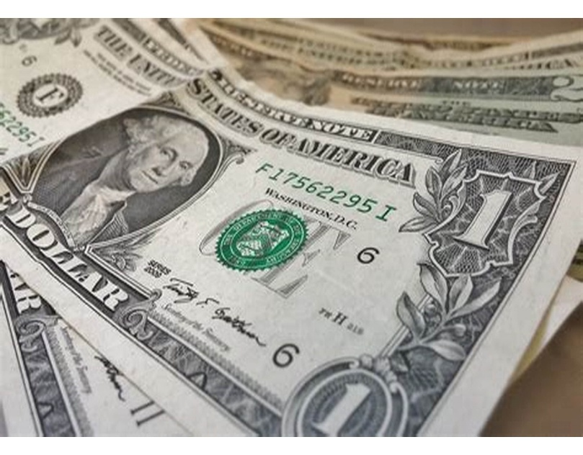

Income by payment method
Expenses by payment mentod

Dashboard
PERSONAL FINANCE DASHBOARD
Dashboard
Details

expenses rate | 17%
saving rate | 94%
expenses rate | 17%
saving rate | 94%
$42,219.71
$2,28,860.04
$2,43,976.58
94%
17%
Expenses
Savings
Savings Rate
Expenses Rate
income

Income by category
Expenses by category
Savings by category
 | Total
Emergency | 60022.19
Investment | 26992.03
Retirement | 52947.62
Savings | 88898.2
 | Total
Bonus | 64204.38
Business | 42536.33
Freelance | 41168.37
Salary | 64625.3
Side Hustle | 31442.2

Monthly income trend
monthly expenses trend
Monthly saving trend
Jan | 4210.34
Feb | 2236.46
Mar | 4240.44
Apr | 5381.59
May | 3089.34
Jun | 3354.53
Jul | 3630.52
Aug | 2662.4
Sep | 2097.28
Oct | 2882.75
Nov | 5095.5
Dec | 3338.56
Jan | $7,269.2
Feb | $23,159.4
Mar | $26,389.6
Apr | $12,088.6
May | $7,387.6
Jun | $11,775.4
Jul | $32,247.6
Aug | $20,107.9
Sep | $18,027.7
Oct | $22,249.7
Nov | $32,291.2
Dec | $15,866.1
 | Total
Jan | 11320.88
Feb | 4161.65
Mar | 25769.55
Apr | 23988.63
May | 25037.59
Jun | 22602.1
Jul | 19181.92
Aug | 10972.75
Sep | 35019.82
Oct | 22245.64
Nov | 19995.11
Dec | 23680.94

